03 31 00 Structural Concrete
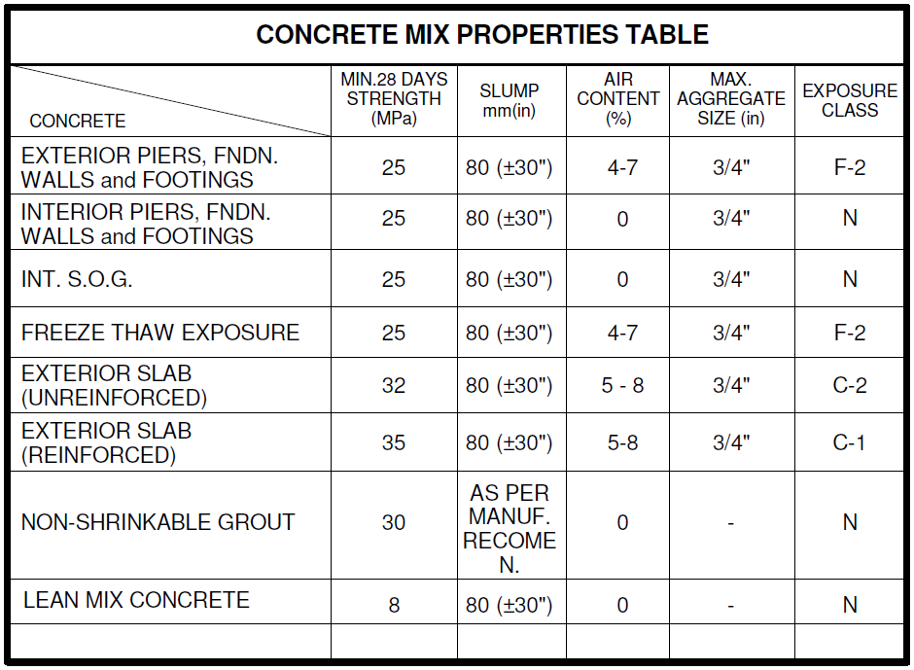
Calculation |  |  |  |  |  |  |  |  |  |  |  | 03 31 00 Concrete Supply |  |  |  | Items | Qty | Unit | Unit Rate | Total Cost | Unit Rate | Total Cost
25 MPA - Interior Augured Footings |  |  |  |  |  |  |  |  |  |  |  | 25 MPA - Footing | To be priced from "Annex D - Concrete Supply Rates" in parallel with "Annex E - Concrete Tender Analysis" | 3.70 | m3 | 25MPa Concrete in Footing | 710.04 | m3 | $107.00 | $75,974.28 | $112.00 | $79,524.48
 | Footing Dimension (mm) |  |  | NOS | Total Vol. (m3) | Drawing No. |  |  |  |  |  | 25 MPA - Foundation Walls | To be priced from "Annex D - Concrete Supply Rates" in parallel with "Annex E - Concrete Tender Analysis" | 5.78 | m3 | 25MPa Concrete in Foundation | 77.42 | m3 | $116.00 | $8,980.72 | $117.00 | $9,058.14
MARK | Diameter | Area(mm2) | Depth |  |  |  |  |  |  |  |  | 25 MPA - Interior Augured Footings | To be priced from "Annex D - Concrete Supply Rates" in parallel with "Annex E - Concrete Tender Analysis" | 129.46 | m3 | 25MPa Concrete in SOG | 1235.3 | m3 | $127.00 | $156,883.10 | $122.00 | $150,706.60
F1 | 2440 | 4673576 | 1400 | 7 | 45.80 | S3.1 |  |  |  |  |  | 25 MPA - Slabs | To be priced from "Annex D - Concrete Supply Rates" in parallel with "Annex E - Concrete Tender Analysis" | 1,235.30 | m3 | Environmental Cost, Fuel Surcharge & Carbon Tax | 2022.76 | m3 | $8.65 | $17,496.87 | $9.00 | $18,204.84
F2 | 2130 | 3561466.5 | 1400 | 7 | 34.90 | S3.1 |  |  |  |  |  | 25 MPA with air - Perimeter Augured Footings | To be priced from "Annex D - Concrete Supply Rates" in parallel with "Annex E - Concrete Tender Analysis" | 431.04 | m3 | Steel Fibres 15kg/m3 | 18529.56 | kg | $5.67 | $105,062.61 | $5.33 | $98,762.55
F3 | 2440 | 4673576 | 1400 | 5 | 32.72 | S3.1 |  |  |  |  |  | 25 MPA with air - Foundation Walls | To be priced from "Annex D - Concrete Supply Rates" in parallel with "Annex E - Concrete Tender Analysis" | 71.64 | m3 | High Range Super Plasticizer (Required with Steel Fibres) | 1235.3 | m3 | $30.00 | $37,059.00 | $22.00 | $27,176.60
F4 | 2130 | 3561466.5 | 1200 | 1 | 4.27 | S3.1 |  |  |  |  |  | 25 MPA with air - Trench Footing | To be priced from "Annex D - Concrete Supply Rates" in parallel with "Annex E - Concrete Tender Analysis" | 138.02 | m3
Total Volume |  |  |  |  | 117.69 |  |  |  |  |  |  | 25 MPA with air - Piers | To be priced from "Annex D - Concrete Supply Rates" in parallel with "Annex E - Concrete Tender Analysis" | 7.82 | m3 | TOTAL |  |  |  | $401,456.58 |  | $383,433.21
Total Volume of Concrete + 10% for waste factor |  |  |  |  | 129.46 |  |  |  |  |  |  | Environmental Cost, Fuel Surcharge & Carbon Tax | To be priced from "Annex D - Concrete Supply Rates" in parallel with "Annex E - Concrete Tender Analysis" | 2,022.76 | m3
 |  |  |  |  |  |  |  |  |  |  |  | Steel Fibres 15kg/m3 | To be priced from "Annex D - Concrete Supply Rates" in parallel with "Annex E - Concrete Tender Analysis" |  | kg
25 MPA with air - Perimeter Augured Footings |  |  |  |  |  |  |  |  |  |  |  | High Range Super Plasticizer (Required with Steel Fibres) | To be priced from "Annex D - Concrete Supply Rates" in parallel with "Annex E - Concrete Tender Analysis" |  | m3
 | Footing Dimension (mm) |  |  | NOS | Total Vol. (m3) | Drawing No.
MARK | Diameter | Area(mm2) | Depth
F1 | 2440 | 4673576 | 1400 | 5 | 32.72 | S3.1
F1(a) | 2440 | 4673576 | 2000 | 2 | 18.69 | S2.2
F1(B) | 2440 | 4673576 | 3700 | 2 | 34.58 | S2.2
F2 | 2130 | 3561466.5 | 1400 | 7 | 34.90 | S3.1
F3 | 2440 | 4673576 | 1400 | 3 | 19.63 | S3.1
F3(a) | 2440 | 4673576 | 2500 | 5 | 58.42 | S2.2
F4 | 2130 | 3561466.5 | 1200 | 20 | 85.48 | S3.1 |  | Notes: Exterior Concrete (with air)
F5 | 1830 | 2628886.5 | 1200 | 7 | 22.08 | S3.1
F6 | 1675 | 2202415.625 | 1200 | 4 | 10.57 | S3.1
F7 | 2440 | 4673576 | 8000 | 2 | 74.78 | S3.1
F8 | 0 | 0 | 1900 | 0 | 0.00 | S3.1
Total Volume |  |  |  |  | 391.85
Total Volume of Concrete + 10% for waste factor |  |  |  |  | 431.04
25 MPA with air - Piers
 | Pier Dimensions (mm) |  |  | Qty | Total Vol. (m3) | Drawing No.
 | L | W | H
PEDESTAL
PIER1 | 800 | 800 | 1050 | 8 | 5.38 | S3.1
PIER2 | 650 | 650 | 1050 | 5 | 2.22 | S3.1
 |  |  |  |  | 7.59
Total Volume of Concrete + 3% for waste factor |  |  |  |  | 7.82

25 MPA - Foundation Walls
Exterior |  |  | Interior
Mark | Grid | Ext. Wall Length | Mark | Grid | Int. Wall Length
North Wall | Along Grid A | 50898 | Sprinkler/Elect
South Wall | Along Grid J | 30405 | East Wall |  | 5406
East Wall | Along Grid 6 | 82767 | South Wall |  | 11325
West Wall | Along Grid 1 & 2 | 131244 | West Wall |  | 5406
North-East Wall | Along Grid Y | 36525 | Partition |  | 5406
South-East Wall | Along Grid X | 43032
Recess | Along Grid A & B | 28928
Total Length |  | 403799 | Total Length |  | 27543
Less | =400x4 | 1600 | Add | =100x5 | 500
PCL |  | 402199 | PCL |  | 28043
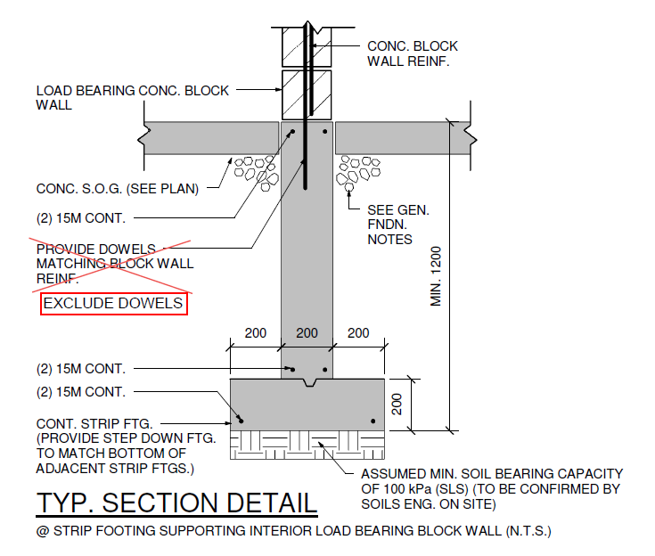
25 MPA - Footing
Mark | Qty | PCL | Width | Thickness | Total Volume | Dwg. No.
Cont. Strip Ftg | 1 | 28043 | 600 | 200 | 3.37 | S1.0
Total Volume of Concrete + 10% for waste factor |  |  |  |  | 3.70
25 MPA - Foundation Walls
Mark | Qty | PCL | Width | Thickness | Total Volume | Dwg. No.
Fdn Wall | 1 | 28043 | 200 | 1000 | 5.6086 | S1.0
Total Volume of Concrete + 3% for waste factor |  |  |  |  | 5.78

25 MPA with air - Trench Footing
Mark | Qty | PCL | Width | Thickness | Total Volume | Dwg. No.
900x500 Grade Beam | 1 | 402199 | 500 | 900 | 180.99 | S1.0
LESS
F1 | 5 | 2440 | 500 | 900 | 5.49
F1(a) | 2 | 2440 | 500 | 900 | 2.20
F1(B) | 2 | 2440 | 500 | 900 | 2.20
F2 | 7 | 2130 | 500 | 900 | 6.71
F3 | 3 | 2440 | 500 | 900 | 3.29
F3(a) | 5 | 2440 | 500 | 900 | 5.49
F4 | 20 | 2130 | 500 | 900 | 19.17
F5 | 7 | 1830 | 500 | 900 | 5.76
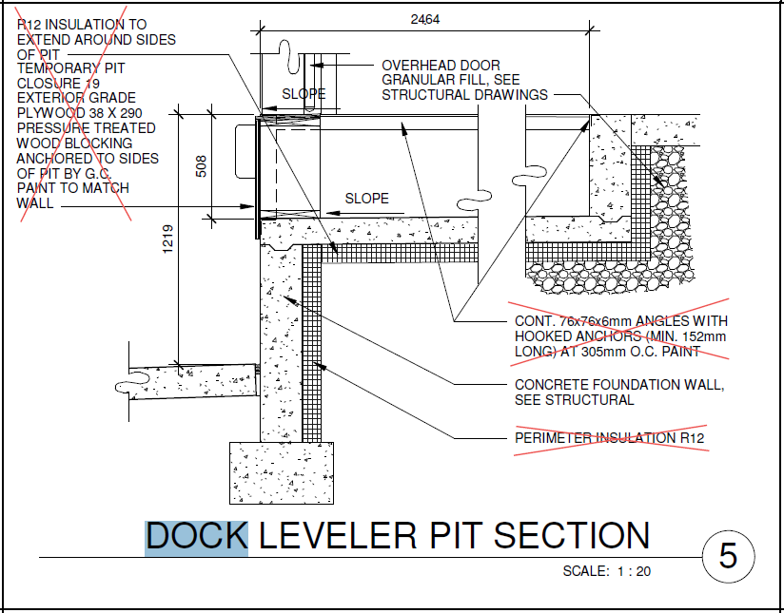
F6 | 4 | 1675 | 500 | 900 | 3.02
F7 | 2 | 2440 | 500 | 900 | 2.20
F8 | 0 | 0 | 500 | 900 | 0.00
Total Volume |  |  |  |  | 125.47
Total Volume of Concrete + 10% for waste factor |  |  |  |  | 138.02

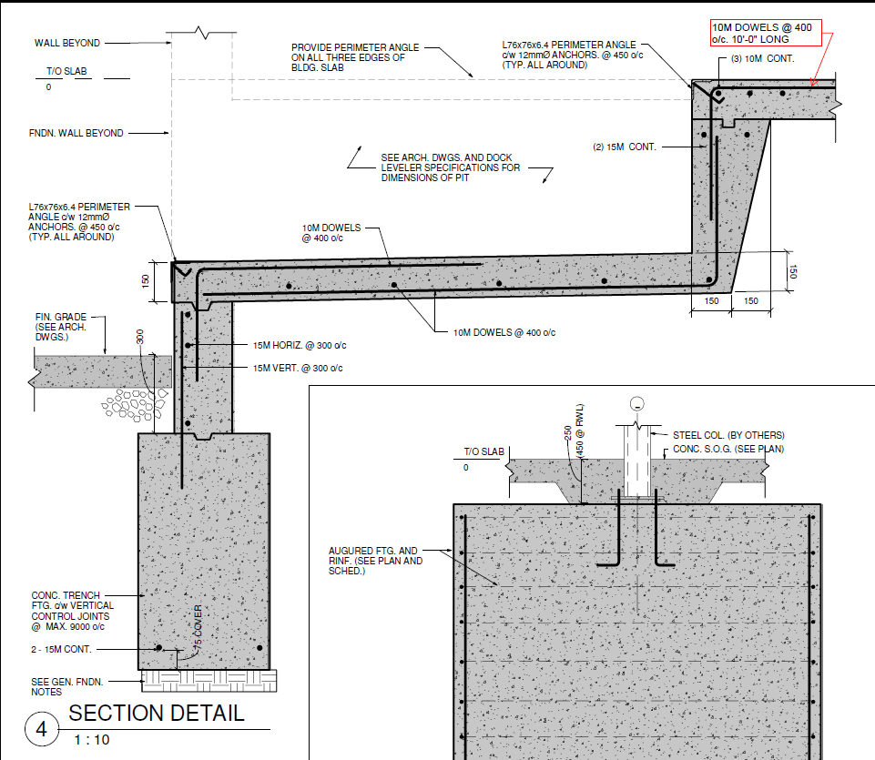
25 MPA with air - Foundation Walls
Mark | Section Type | Qty | PCL | Width | T.O.S. | F.G.L. | Slab Thk | Total Height | Total Volume | Dwg. No. | Remarks
 | Section 1 | 1 | 302182 | 230 | 211.58 | 211.56 | 152 | 0.32 | 22.24 | Section 1 S3.0 | since the FGL ranges from 211.53 to 211.58, use 211.56
 | Section 2 | 1 | 18850 | 230 | 211.58 | 211.56 | 152 | 0.168 | 0.73 | Section 2 S3.0
 | Section 4 | 12 | 2160 | 230 | 211.58 | 210.38 | 152 | 0.842 | 5.02 | Section 4 S3.0, Section 5 A8.4
 | Dock West Wall | 12 | 2620 | 375 |  |  | 150 | 0.67 | 7.90 | Section 4 S3.0, Section 5 & 7 A8.4
 | Dock North and South Wall | 24 | 2234 | 230 | 211.58 |  | 150 | 0.664 | 8.19 | Section 4 S3.0, Section 5 & 7 A8.4
 | Section 5 | 1 | 80607 | 230 | 211.58 | 210.38 | 152 | 1.5 | 27.81 | Section 5 S3.0
LESS
 | PIER1 | 8 | 800 | 230 |  |  |  | 1.05 | 1.55
 | PIER2 | 5 | 650 | 230 |  |  |  | 1.05 | 0.78
Total |  |  |  |  |  |  |  |  | 69.56
Total Volume of Concrete + 3% for waste factor |  |  |  |  |  |  |  |  | 71.64

